LDBOND
LIC MF MEDIUM TO LONG DURATION FUND (ERSTWHILE LIC MF MEDIUM TO LONG DURATION BOND FUND) |  |  |  |  | Index

Monthly Portfolio Statement as on November 30,2024
Name of the Instrument | ISIN | Industry / Rating | Quantity | Market/Fair Value (Rounded, Rs. In Lacs) | Rounded, % to Net Assets | Yield

Debt Instruments
(a)Listed / Awaiting listing on stock Exchanges
7.7% State Government of Maharashtra | IN2220220205 | SOVEREIGN | 4,000,000.000 | 4,195.64 | 23.14% | 7.32%
7.1% Government of India | IN0020240019 | SOVEREIGN | 3,500,000.000 | 3,612.71 | 19.92% | 6.90%
7.8% State Government of Gujarat | IN1520220055 | SOVEREIGN | 2,500,000.000 | 2,664.95 | 14.70% | 7.28%
7.64% State Government of Maharashtra | IN2220220114 | SOVEREIGN | 1,500,000.000 | 1,563.59 | 8.62% | 7.27%
7.18% Government of India | IN0020230085 | SOVEREIGN | 1,250,000.000 | 1,306.07 | 7.20% | 6.93%
7.71% State Government of Maharashtra | IN2220230139 | SOVEREIGN | 1,250,000.000 | 1,298.30 | 7.16% | 7.32%
8.0% HDFC Bank Ltd. ** | INE040A08807 | CRISIL AAA | 100.000 | 1,055.52 | 5.82% | 7.50%
7.43% Jamnagar Utilities & Power Pvt. Ltd. ** | INE936D07190 | CRISIL AAA | 1,000.000 | 1,009.11 | 5.57% | 7.41%
6.95% State Government of Gujarat | IN1520210056 | SOVEREIGN | 500,000.000 | 508.66 | 2.81% | 7.25%
7.72% State Government of Maharashtra | IN2220220072 | SOVEREIGN | 300,000.000 | 311.38 | 1.72% | 7.31%
Sub Total |  |  |  | 17,525.93 | 96.66%

(b)Privately Placed/Unlisted
Sub Total |  |  |  | NIL | NIL

(c)Securitised Debt Instruments
Sub Total |  |  |  | NIL | NIL

TOTAL |  |  |  | 17,525.93 | 96.65%

Others
Investment in Mutual fund
SBI CDMDF--A2 | INF0RQ622028 |  | 455.106 | 47.64 | 0.26%

TOTAL |  |  |  | 47.64 | 0.26%

Treps / Reverse Repo
Treps |  |  |  | 577.21 | 3.18%
Sub Total |  |  |  | 577.21 | 3.18%

TOTAL |  |  |  | 577.21 | 3.18%
Net Receivables / (Payables) |  |  |  | (18.10) | (0.09%)
GRAND TOTAL |  |  |  | 18,132.68 | 100.00%

** Non Traded Security

The product is suitable for investors who are seeking* | Riskometer - Scheme | Primary Benchmark | Riskometer - Primary Benchmark
LIC MF MEDIUM TO LONG DURATION FUND | 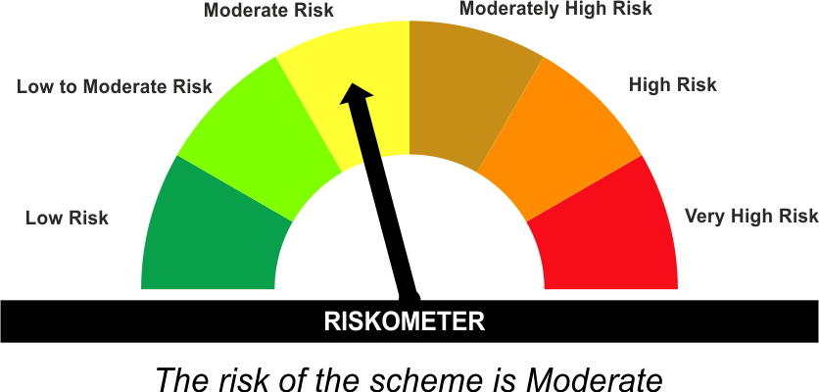 | CRISIL Medium to Long Duration Debt A-III Index | 
•Income Over Medium to long term
•To generate income/capital appreciation through investments in Debt / Money Market Instruments
•Risk – Moderate |  | •Risk - Moderate
“The Scheme and Benchmark riskometer disclosed above is latest available riskometer, for any updates please visit the AMC’s website (https://www.licmf.com/downloads/risk-o-meter-disclosure).

*Investors should consult their financial advisers if in doubt about whether the product is suitable for them.
Mutual Fund investments are subject to market risks, read all scheme related documents carefully.

 | Potential Risk Class
LDBOND | Credit Risk | Relatively Low (Class A) | Moderate (Class B) | Relatively High (Class C)
 | Interest Rate Risk
 | Relatively Low (Class I)
 | Moderate (Class II)
 | Relatively High (Class III) |  | B-III

 | Portfolio Information
Scheme Name : | LIC MF MEDIUM TO LONG DURATION FUND
Description (if any) | Medium to Long Duration Fund
Annualised Portfolio YTM* : | 7.16
Macaulay Duration | 6.14 Years
Residual Maturity | 7.97 Years
As on (Date) | 30 November 2024
* in case of semi annual YTM, it will be annualised
As the Regular and Direct plans have a common portfolio, the Portfolio yield given above is at the Scheme level

LDINPF
LIC MF BANKING & PSU FUND (ERSTWHILE LIC MF BANKING & PSU DEBT FUND) |  |  |  |  | Index

Monthly Portfolio Statement as on November 30,2024
Name of the Instrument | ISIN | Industry / Rating | Quantity | Market/Fair Value (Rounded, Rs. In Lacs) | Rounded, % to Net Assets | Yield

Debt Instruments
(a)Listed / Awaiting listing on stock Exchanges
7.1% Government of India | IN0020240019 | SOVEREIGN | 13,150,000.000 | 13,573.45 | 7.33% | 6.90%
7.45% Export Import Bank of India ** | INE514E08GB4 | CRISIL AAA | 7,500.000 | 8,002.76 | 4.32% | 7.19%
7.83% Small Industries Development Bk of India ** | INE556F08KL3 | CRISIL AAA | 7,500.000 | 7,611.09 | 4.11% | 7.43%
8.09% NLC India Ltd. ** | INE589A07037 | ICRA AAA | 600.000 | 6,404.41 | 3.46% | 7.37%
7.18% Government of India | IN0020230085 | SOVEREIGN | 5,900,000.000 | 6,164.65 | 3.33% | 6.93%
7.75% Small Industries Development Bk of India ** | INE556F08KD0 | ICRA AAA | 600.000 | 6,059.99 | 3.27% | 7.75%
7.89% Power Grid Corporation of India Ltd. ** | INE752E07OE0 | CRISIL AAA | 500.000 | 5,345.53 | 2.89% | 7.30%
8.0% Bajaj Finance Ltd. ** | INE296A07SJ6 | CRISIL AAA | 500.000 | 5,309.60 | 2.87% | 7.85%
7.4% National Bk for Agriculture & Rural Dev. ** | INE261F08DO9 | CRISIL AAA | 500.000 | 5,291.33 | 2.86% | 7.70%
7.45% Indian Railway Finance Corporation Ltd. ** | INE053F08320 | CRISIL AAA | 5,000.000 | 5,264.40 | 2.84% | 7.27%
7.59% National Housing Bank ** | INE557F08FY4 | CRISIL AAA | 5,000.000 | 5,214.35 | 2.82% | 7.38%
7.46% REC Ltd. ** | INE020B08EK4 | CRISIL AAA | 5,000.000 | 5,169.02 | 2.79% | 7.36%
7.4% National Housing Bank ** | INE557F08FS6 | CRISIL AAA | 5,000.000 | 5,153.45 | 2.78% | 7.46%
7.39% Bank of Baroda ** | INE028A08281 | ICRA AAA | 500.000 | 5,111.38 | 2.76% | 7.36%
7.43% Jamnagar Utilities & Power Pvt. Ltd. ** | INE936D07190 | CRISIL AAA | 5,000.000 | 5,045.57 | 2.72% | 7.41%
7.27% Power Finance Corporation Ltd. ** | INE134E08ND3 | CRISIL AAA | 5,000.000 | 5,039.98 | 2.72% | 7.37%
7.5% NHPC Ltd. ** | INE848E07AR7 | ICRA AAA | 2,250.000 | 4,593.39 | 2.48% | 7.20%
7.71% State Government of Gujarat | IN1520220279 | SOVEREIGN | 4,000,000.000 | 4,218.16 | 2.28% | 7.29%
7.14% REC Ltd. ** | INE020B08CO0 | CRISIL AAA | 300.000 | 3,043.39 | 1.64% | 7.35%
8.27% National Highways Authority of India ** | INE906B07GP0 | CRISIL AAA | 250.000 | 2,739.94 | 1.48% | 7.15%
7.59% Power Finance Corporation Ltd. ** | INE134E08LX5 | CRISIL AAA | 250.000 | 2,693.31 | 1.45% | 7.40%
7.74% Power Finance Corporation Ltd. ** | INE134E08JI0 | CRISIL AAA | 250.000 | 2,684.05 | 1.45% | 7.40%
7.79% Power Finance Corporation Ltd. ** | INE134E08KU3 | CRISIL AAA | 250.000 | 2,653.78 | 1.43% | 7.33%
7.62% National Bk for Agriculture & Rural Dev. ** | INE261F08EH1 | CRISIL AAA | 2,500.000 | 2,618.12 | 1.41% | 7.48%
8.23% Indian Railway Finance Corporation Ltd. ** | INE053F07BE7 | CRISIL AAA | 250.000 | 2,615.71 | 1.41% | 7.25%
7.55% Power Finance Corporation Ltd. ** | INE134E08ML8 | CRISIL AAA | 2,500.000 | 2,614.34 | 1.41% | 7.59%
7.58% REC Ltd. ** | INE020B08FD6 | ICRA AAA | 2,500.000 | 2,613.88 | 1.41% | 7.37%
7.7% HDFC Bank Ltd. ** | INE040A08955 | CRISIL AAA | 2,500.000 | 2,609.82 | 1.41% | 7.61%
7.39% Indian Railway Finance Corporation Ltd. ** | INE053F08403 | CRISIL AAA | 2,500.000 | 2,596.54 | 1.40% | 7.24%
7.47% State Government of Maharashtra | IN2220230121 | SOVEREIGN | 2,500,000.000 | 2,595.44 | 1.40% | 7.28%
7.71% REC Ltd. ** | INE020B08EQ1 | CRISIL AAA | 2,500.000 | 2,578.90 | 1.39% | 7.32%
7.409699% National Bk for Agriculture & Rural Dev. ** | INE261F08BX4 | ICRA AAA | 250.000 | 2,577.19 | 1.39% | 7.42%
7.25% National Bk for Agriculture & Rural Dev. ** | INE261F08DQ4 | CRISIL AAA | 250.000 | 2,554.70 | 1.38% | 7.65%
7.57% Indian Railway Finance Corporation Ltd. ** | INE053F08353 | CRISIL AAA | 2,500.000 | 2,554.43 | 1.38% | 7.25%
7.44% Small Industries Development Bk of India ** | INE556F08KI9 | CRISIL AAA | 2,500.000 | 2,538.04 | 1.37% | 7.58%
7.59% Power Finance Corporation Ltd. ** | INE134E08LU1 | CRISIL AAA | 250.000 | 2,512.95 | 1.36% | 7.62%
7.34% REC Ltd. ** | INE020B08FL9 | CRISIL AAA | 2,500.000 | 2,512.91 | 1.36% | 7.34%
7.7% State Government of Maharashtra | IN2220220205 | SOVEREIGN | 2,000,000.000 | 2,097.82 | 1.13% | 7.32%
7.72% State Government of Maharashtra | IN2220220072 | SOVEREIGN | 1,500,000.000 | 1,556.92 | 0.84% | 7.31%
7.42% State Government of Maharashtra | IN2220230311 | SOVEREIGN | 1,000,000.000 | 1,032.10 | 0.56% | 7.28%
Sub Total |  |  |  | 163,166.79 | 88.09%

(b)Privately Placed/Unlisted
Sub Total |  |  |  | NIL | NIL

(c)Securitised Debt Instruments
Sub Total |  |  |  | NIL | NIL

TOTAL |  |  |  | 163,166.79 | 88.11%

Money Market Instruments

Certificate of Deposit
Canara Bank ** # | INE476A16YR6 | CRISIL A1+ | 1,000.000 | 4,985.76 | 2.69% | 6.95%
Axis Bank Ltd. ** # | INE238AD6900 | CRISIL A1+ | 1,000.000 | 4,728.70 | 2.55% | 7.56%
HDFC Bank Ltd. ** # | INE040A16FM0 | CRISIL A1+ | 1,000.000 | 4,714.85 | 2.55% | 7.56%
Axis Bank Ltd. ** # | INE238AD6983 | CRISIL A1+ | 500.000 | 2,332.21 | 1.26% | 7.57%
Sub Total |  |  |  | 16,761.52 | 9.05%

TOTAL |  |  |  | 16,761.52 | 9.05%

Others
Investment in Mutual fund
SBI CDMDF--A2 | INF0RQ622028 |  | 3,507.809 | 367.16 | 0.20%

TOTAL |  |  |  | 367.16 | 0.20%

Treps / Reverse Repo
Treps |  |  |  | 4,902.77 | 2.65%
Sub Total |  |  |  | 4,902.77 | 2.65%

TOTAL |  |  |  | 4,902.77 | 2.65%
Net Receivables / (Payables) |  |  |  | (8.04) | (0.01%)
GRAND TOTAL |  |  |  | 185,190.20 | 100.00%

# Unlisted Security
** Non Traded Security

The product is suitable for investors who are seeking* | Riskometer - Scheme | Primary Benchmark | Riskometer - Primary Benchmark
LIC MF Banking & PSU Fund |  | NIFTY Banking & PSU Debt Index A-II | 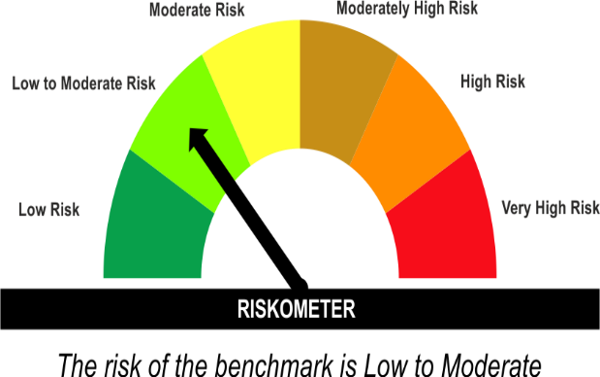
•Income for medium term capital appreciation with current income.
•An income fund that invests predominantly in debt and money market instruments issued by Banks, Public Sector Undertakings, Public Financial Institutions and Municipal Bonds
•Risk - Moderate |  | •Risk - Low To Moderate
“The Scheme and Benchmark riskometer disclosed above is latest available riskometer, for any updates please visit the AMC’s website (https://www.licmf.com/downloads/risk-o-meter-disclosure).

*Investors should consult their financial advisers if in doubt about whether the product is suitable for them.
Mutual Fund investments are subject to market risks, read all scheme related documents carefully.

 | Potential Risk Class
LDINPF | Credit Risk | Relatively Low (Class A) | Moderate (Class B) | Relatively High (Class C)
 | Interest Rate Risk
 | Relatively Low (Class I)
 | Moderate (Class II)
 | Relatively High (Class III) | A-III

 | Portfolio Information
Scheme Name : | LIC MF Banking & PSU Fund
Description (if any) | Banking and PSU Fund
Annualised Portfolio YTM* : | 7.30
Macaulay Duration | 3.51 Years
Residual Maturity | 4.22 Years
As on (Date) | 30 November 2024
* in case of semi annual YTM, it will be annualised
As the Regular and Direct plans have a common portfolio, the Portfolio yield given above is at the Scheme level

LDMIPF
LIC MF CONSERVATIVE HYBRID FUND |  |  |  |  | Index

Monthly Portfolio Statement as on November 30,2024
Name of the Instrument | ISIN | Industry / Rating | Quantity | Market/Fair Value (Rounded, Rs. In Lacs) | Rounded, % to Net Assets | Yield
Equity & Equity related
(a)Listed / Awaiting listing on Stock Exchanges
ICICI Bank Ltd. | INE090A01021 | Banks | 23,536.000 | 305.99 | 6.09%
Infosys Ltd. | INE009A01021 | IT - Software | 10,659.000 | 198.03 | 3.94%
HDFC Bank Ltd. | INE040A01034 | Banks | 9,695.000 | 174.13 | 3.47%
Hindustan Unilever Ltd. | INE030A01027 | Diversified FMCG | 4,274.000 | 106.69 | 2.12%
Mahindra & Mahindra Ltd. | INE101A01026 | Automobiles | 3,334.000 | 98.89 | 1.97%
JTL Industries Ltd. | INE391J01032 | Industrial Products | 80,195.000 | 81.58 | 1.62%
Reliance Industries Ltd. | INE002A01018 | Petroleum Products | 4,668.000 | 60.32 | 1.20%
Sub Total |  |  |  | 1,025.63 | 20.41%
(b) Unlisted
Sub Total |  |  |  | NIL | NIL

TOTAL |  |  |  | 1,025.63 | 20.41%

Debt Instruments
(a)Listed / Awaiting listing on stock Exchanges
7.65% State Government of Tamil Nadu | IN3120230260 | SOVEREIGN | 500,000.000 | 519.16 | 10.33% | 7.33%
7.32% Government of India | IN0020230135 | SOVEREIGN | 500,000.000 | 515.48 | 10.26% | 6.87%
7.17% Government of India | IN0020230036 | SOVEREIGN | 500,000.000 | 513.57 | 10.22% | 6.87%
6.79% Government of India | IN0020240126 | SOVEREIGN | 500,000.000 | 506.29 | 10.08% | 6.87%
8.03% State Government of Karnataka | IN1920170165 | SOVEREIGN | 450,000.000 | 475.14 | 9.46% | 7.11%
7.26% Government of India | IN0020220060 | SOVEREIGN | 450,000.000 | 471.23 | 9.38% | 6.91%
7.1% Government of India | IN0020220011 | SOVEREIGN | 450,000.000 | 460.31 | 9.16% | 6.82%
7.38% Government of India | IN0020220037 | SOVEREIGN | 200,000.000 | 209.82 | 4.18% | 6.79%
7.19% State Government of Tamil Nadu | IN3120190225 | SOVEREIGN | 150,000.000 | 150.68 | 3.00% | 7.24%
8.49% NTPC Ltd. ** | INE733E07JP6 | CRISIL AAA | 47,900.000 | 2.54 | 0.05% | 7.25%
Sub Total |  |  |  | 3,824.22 | 76.12%

(b)Privately Placed/Unlisted
Sub Total |  |  |  | NIL | NIL

(c)Securitised Debt Instruments
Sub Total |  |  |  | NIL | NIL

TOTAL |  |  |  | 3,824.22 | 76.11%

Others
Investment in Mutual fund
SBI CDMDF--A2 | INF0RQ622028 |  | 157.192 | 16.45 | 0.33%

TOTAL |  |  |  | 16.45 | 0.33%

Treps / Reverse Repo
Treps |  |  |  | 180.36 | 3.59%
Sub Total |  |  |  | 180.36 | 3.59%

TOTAL |  |  |  | 180.36 | 3.59%
Net Receivables / (Payables) |  |  |  | (22.34) | (0.44%)
GRAND TOTAL |  |  |  | 5,024.32 | 100.00%

** Non Traded Security

The product is suitable for investors who are seeking* | Riskometer - Scheme | Primary Benchmark | Riskometer - Primary Benchmark
LIC MF CONSERVATIVE HYBRID FUND | 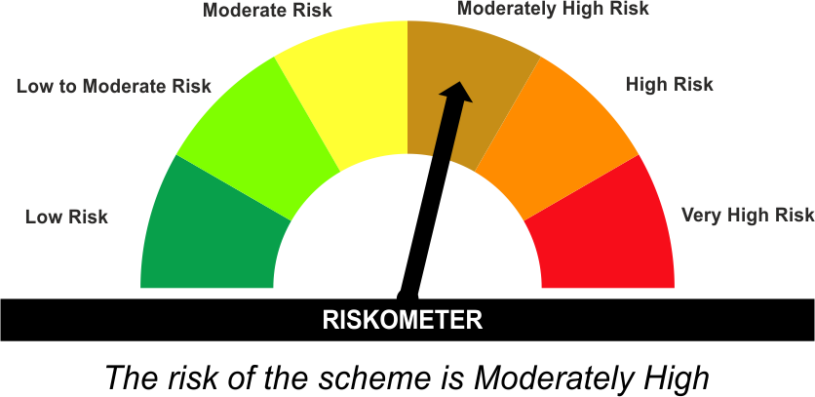 | CRISIL Hybrid 85+15 - Conservative Index | 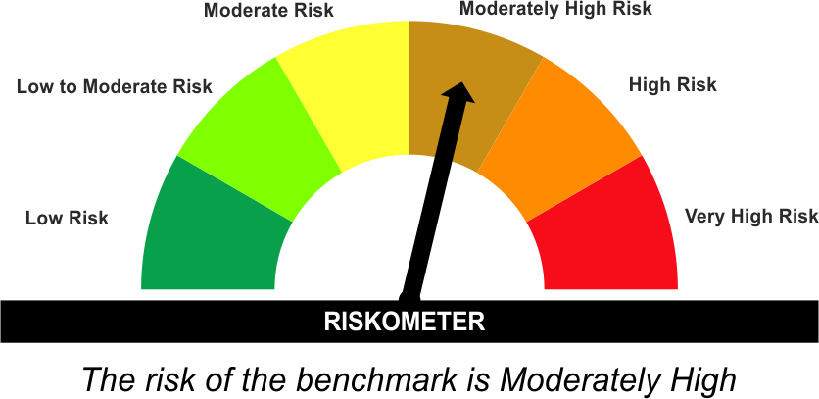
•Medium term capital appreciation with current income
•A fund that invests predominantly in debt instruments with marginal equity exposure.
•Risk - Moderately High |  | •Risk - Moderately High
“The Scheme and Benchmark riskometer disclosed above is latest available riskometer, for any updates please visit the AMC’s website (https://www.licmf.com/downloads/risk-o-meter-disclosure).

*Investors should consult their financial advisers if in doubt about whether the product is suitable for them.
Mutual Fund investments are subject to market risks, read all scheme related documents carefully.

LDMNMF
LIC MF MONEY MARKET FUND |  |  |  |  | Index

Monthly Portfolio Statement as on November 30,2024
Name of the Instrument | ISIN | Industry / Rating | Quantity | Market/Fair Value (Rounded, Rs. In Lacs) | Rounded, % to Net Assets | Yield

Money Market Instruments

Treasury Bill
364 DAYS TBILL RED 12-06-2025 | IN002024Z115 | SOVEREIGN | 500,000.000 | 483.14 | 19.82% | 6.60%
Sub Total |  |  |  | 483.14 | 19.82%

TOTAL |  |  |  | 483.14 | 19.82%

Others
Investment in Mutual fund
SBI CDMDF--A2 | INF0RQ622028 |  | 195.190 | 20.43 | 0.84%

TOTAL |  |  |  | 20.43 | 0.84%

Treps / Reverse Repo
Treps |  |  |  | 1,927.37 | 79.07%
Sub Total |  |  |  | 1,927.37 | 79.07%

TOTAL |  |  |  | 1,927.37 | 79.07%
Net Receivables / (Payables) |  |  |  | 6.74 | 0.27%
GRAND TOTAL |  |  |  | 2,437.68 | 100.00%

The product is suitable for investors who are seeking* | Riskometer - Scheme | Primary Benchmark | Riskometer - Primary Benchmark
LIC MF Money Market Fund |  | NIFTY Money Market Index A-I | 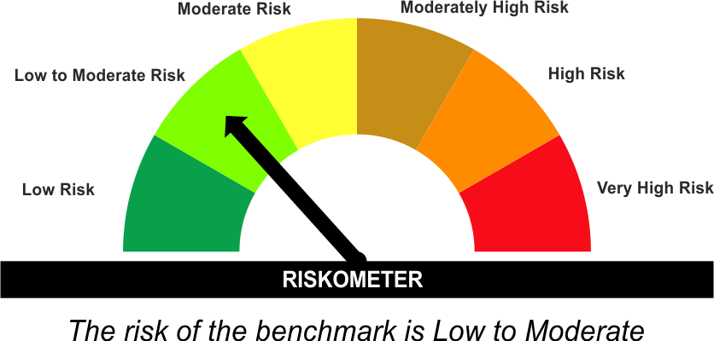
•Income over short term.
•Investment in money market instruments with maturity upto one year.
•Risk – Low |  | •Risk - Low To Moderate
“The Scheme and Benchmark riskometer disclosed above is latest available riskometer, for any updates please visit the AMC’s website (https://www.licmf.com/downloads/risk-o-meter-disclosure).

*Investors should consult their financial advisers if in doubt about whether the product is suitable for them.
Mutual Fund investments are subject to market risks, read all scheme related documents carefully.

 | Potential Risk Class
LDMNMF | Credit Risk | Relatively Low (Class A) | Moderate (Class B) | Relatively High (Class C)
 | Interest Rate Risk
 | Relatively Low (Class I) |  | B-I
 | Moderate (Class II)
 | Relatively High (Class III)

 | Portfolio Information
Scheme Name : | LIC MF Money Market Fund
Description (if any) | Money Market Fund
Annualised Portfolio YTM* : | 6.57
Macaulay Duration | 0.11 Years
Residual Maturity | 0.11 Years
As on (Date) | 30 November 2024
* in case of semi annual YTM, it will be annualised
As the Regular and Direct plans have a common portfolio, the Portfolio yield given above is at the Scheme level

LDONTF
LIC MF OVERNIGHT FUND |  |  |  |  | Index

Monthly Portfolio Statement as on November 30,2024
Name of the Instrument | ISIN | Industry / Rating | Quantity | Market/Fair Value (Rounded, Rs. In Lacs) | Rounded, % to Net Assets | Yield

Money Market Instruments

Commercial Paper
HDFC Securities Ltd. ** | INE700G14LM9 | CRISIL A1+ | 1,500.000 | 7,498.61 | 9.13% | 6.75%
Sub Total |  |  |  | 7,498.61 | 9.13%

Treasury Bill
364 DAYS TBILL RED 19-12-2024 | IN002023Z406 | SOVEREIGN | 1,500,000.000 | 1,495.23 | 1.82% | 6.46%
182 DAYS TBILL RED 12-12-2024 | IN002024Y118 | SOVEREIGN | 1,000,000.000 | 998.02 | 1.22% | 6.58%
Sub Total |  |  |  | 2,493.25 | 3.04%

TOTAL |  |  |  | 9,991.86 | 12.17%

Treps / Reverse Repo
Reverse Repo |  |  |  | 38,844.45 | 47.29%
Treps |  |  |  | 33,252.63 | 40.48%
Sub Total |  |  |  | 72,097.08 | 87.77%

TOTAL |  |  |  | 72,097.08 | 87.77%
Net Receivables / (Payables) |  |  |  | 50.90 | 0.06%
GRAND TOTAL |  |  |  | 82,139.84 | 100.00%

** Non Traded Security

The product is suitable for investors who are seeking* | Riskometer - Scheme | Primary Benchmark | Riskometer - Primary Benchmark
LIC MF Overnight Fund | 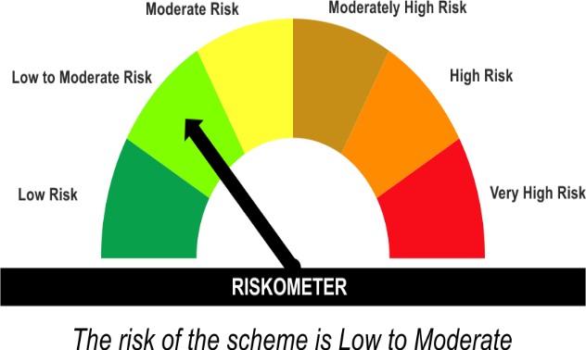 | NIFTY 1D Rate Index | 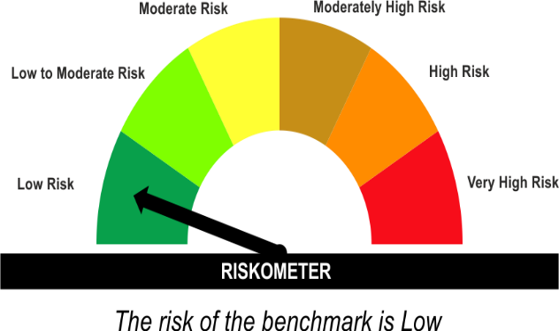
•Income with high levels of safety and liquidity over short term.
•Investment in debt and money market instruments with overnight maturity.
•Risk – Low to Moderate |  | •Risk – Low
“The Scheme and Benchmark riskometer disclosed above is latest available riskometer, for any updates please visit the AMC’s website (https://www.licmf.com/downloads/risk-o-meter-disclosure).

*Investors should consult their financial advisers if in doubt about whether the product is suitable for them.
Mutual Fund investments are subject to market risks, read all scheme related documents carefully.

 | Potential Risk Class
LDONTF | Credit Risk | Relatively Low (Class A) | Moderate (Class B) | Relatively High (Class C)
 | Interest Rate Risk
 | Relatively Low (Class I) | A-I
 | Moderate (Class II)
 | Relatively High (Class III)

 | Portfolio Information
Scheme Name : | LIC MF Overnight Fund
Description (if any) | Overnight Fund
Annualised Portfolio YTM* : | 6.67
Macaulay Duration | 0.01 Years
Residual Maturity | 0.01 Years
As on (Date) | 30 November 2024
* in case of semi annual YTM, it will be annualised
As the Regular and Direct plans have a common portfolio, the Portfolio yield given above is at the Scheme level

LDSAPF
LIC MF LOW DURATION FUND |  |  |  |  | Index

Monthly Portfolio Statement as on November 30,2024
Name of the Instrument | ISIN | Industry / Rating | Quantity | Market/Fair Value (Rounded, Rs. In Lacs) | Rounded, % to Net Assets | Yield

Debt Instruments
(a)Listed / Awaiting listing on stock Exchanges
7.5% National Bk for Agriculture & Rural Dev. ** | INE261F08DT8 | CRISIL AAA | 500.000 | 5,359.20 | 2.85% | 7.65%
7.8% National Bk for Agriculture & Rural Dev. ** | INE261F08EF5 | ICRA AAA | 5,000.000 | 5,303.38 | 2.82% | 7.53%
8.72% Shriram Finance Ltd. ** | INE721A07NO4 | CRISIL AA+ | 500.000 | 5,295.27 | 2.82% | 8.80%
5.81% REC Ltd. ** | INE020B08DH2 | CRISIL AAA | 500.000 | 5,174.92 | 2.75% | 7.63%
7.17% Godrej Industries Ltd. ** | INE233A08097 | CRISIL AA+ | 500.000 | 5,173.74 | 2.75% | 7.95%
7.4% National Housing Bank ** | INE557F08FS6 | CRISIL AAA | 5,000.000 | 5,153.45 | 2.74% | 7.46%
7.58% National Bk for Agriculture & Rural Dev. ** | INE261F08DX0 | CRISIL AAA | 5,000.000 | 5,123.61 | 2.73% | 7.59%
7.64% Power Finance Corporation Ltd. ** | INE134E08MT1 | CRISIL AAA | 5,000.000 | 5,104.44 | 2.72% | 7.58%
8.25% GIC Housing Finance Ltd. ** | INE289B07081 | CRISIL AA+ | 5,000.000 | 5,004.27 | 2.66% | 8.40%
7.61% State Government of Maharashtra | IN2220220031 | SOVEREIGN | 3,000,000.000 | 3,081.37 | 1.64% | 7.12%
Tata Motors Finance Ltd. (ZCB) ** | INE601U08309 | ICRA AA+ | 250.000 | 3,005.57 | 1.60% | 8.27%
8.75% Shriram Finance Ltd. ** | INE721A07RH9 | CRISIL AA+ | 2,500.000 | 2,649.14 | 1.41% | 8.95%
7.6% REC Ltd. ** | INE020B08EF4 | CRISIL AAA | 2,500.000 | 2,642.10 | 1.41% | 7.62%
7.18% State Government of Gujarat | IN1520190175 | SOVEREIGN | 2,500,000.000 | 2,582.18 | 1.37% | 7.23%
7.44% REC Ltd. ** | INE020B08EL2 | CRISIL AAA | 2,500.000 | 2,574.13 | 1.37% | 7.55%
8.0956% Aditya Birla Housing Finance Ltd. ** | INE831R07474 | ICRA AAA | 2,500.000 | 2,572.28 | 1.37% | 7.92%
6.4% LIC Housing Finance Ltd. ** | INE115A07PN6 | CRISIL AAA | 250.000 | 2,440.77 | 1.30% | 7.74%
7.83% National Housing Bank ** | INE557F08FU2 | CRISIL AAA | 1,500.000 | 1,591.91 | 0.85% | 7.32%
Sub Total |  |  |  | 69,831.73 | 37.16%

(b)Privately Placed/Unlisted
Sub Total |  |  |  | NIL | NIL

(c)Securitised Debt Instruments
Sub Total |  |  |  | NIL | NIL

TOTAL |  |  |  | 69,831.73 | 37.16%

Money Market Instruments

Certificate of Deposit
Canara Bank ** # | INE476A16YZ9 | CRISIL A1+ | 1,000.000 | 4,914.25 | 2.61% | 7.16%
Kotak Mahindra Bank Ltd. ** # | INE237A166X8 | CRISIL A1+ | 1,000.000 | 4,824.56 | 2.57% | 7.42%
HDFC Bank Ltd. ** # | INE040A16FE7 | CRISIL A1+ | 1,000.000 | 4,820.08 | 2.56% | 7.45%
Axis Bank Ltd. ** # | INE238AD6843 | CRISIL A1+ | 1,000.000 | 4,817.12 | 2.56% | 7.45%
Punjab National Bank ** # | INE160A16PJ1 | CRISIL A1+ | 1,000.000 | 4,781.29 | 2.54% | 7.56%
ICICI Bank Ltd. ** # | INE090AD6170 | CRISIL A1+ | 1,000.000 | 4,769.05 | 2.54% | 7.49%
Axis Bank Ltd. ** # | INE238AD6884 | CRISIL A1+ | 1,000.000 | 4,740.77 | 2.52% | 7.56%
Small Industries Development Bk of India ** # | INE556F16AT0 | CRISIL A1+ | 1,000.000 | 4,736.56 | 2.52% | 7.58%
HDFC Bank Ltd. ** # | INE040A16FM0 | CRISIL A1+ | 1,000.000 | 4,714.85 | 2.51% | 7.56%
Small Industries Development Bk of India ** # | INE556F16AV6 | CRISIL A1+ | 1,000.000 | 4,682.06 | 2.49% | 7.60%
ICICI Bank Ltd. ** # | INE090AD6204 | CRISIL A1+ | 1,000.000 | 4,664.69 | 2.48% | 7.54%
AU Small Finance Bank Ltd. ** # | INE949L16CX3 | CRISIL A1+ | 700.000 | 3,280.72 | 1.75% | 8.03%
HDFC Bank Ltd. ** # | INE040A16FA5 | CRISIL A1+ | 500.000 | 2,399.66 | 1.28% | 7.45%
Kotak Mahindra Bank Ltd. ** # | INE237A161Y7 | CRISIL A1+ | 500.000 | 2,384.99 | 1.27% | 7.49%
Sub Total |  |  |  | 60,530.65 | 32.21%

Commercial Paper
Time Technoplast Ltd. ** | INE508G14FZ0 | CRISIL A1+ | 1,300.000 | 6,475.00 | 3.45% | 8.29%
Export Import Bank of India ** | INE514E14RY1 | CRISIL A1+ | 1,000.000 | 4,947.56 | 2.63% | 7.16%
ICICI Securities Ltd. ** | INE763G14TN8 | CRISIL A1+ | 1,000.000 | 4,902.96 | 2.61% | 7.60%
Sundaram Finance Ltd. ** | INE660A14YH1 | CRISIL A1+ | 1,000.000 | 4,846.67 | 2.58% | 7.75%
Aditya Birla Finance Ltd. ** | INE860H143W6 | ICRA A1+ | 1,000.000 | 4,721.69 | 2.51% | 7.80%
Aditya Birla Finance Ltd. ** | INE860H143M7 | ICRA A1+ | 500.000 | 2,456.59 | 1.31% | 7.50%
Small Industries Development Bk of India ** | INE556F14KH9 | CRISIL A1+ | 500.000 | 2,412.04 | 1.28% | 7.48%
Small Industries Development Bk of India ** | INE556F14KM9 | CRISIL A1+ | 500.000 | 2,398.30 | 1.28% | 7.48%
Export Import Bank of India ** | INE514E14SJ0 | CRISIL A1+ | 500.000 | 2,330.78 | 1.24% | 7.55%
Time Technoplast Ltd. ** | INE508G14GV7 | ICRA A1+ | 300.000 | 1,454.94 | 0.77% | 8.76%
Sub Total |  |  |  | 36,946.53 | 19.66%

Treasury Bill
182 DAYS TBILL RED 08-05-2025 | IN002024Y308 | SOVEREIGN | 2,500,000.000 | 2,430.56 | 1.29% | 6.60%
182 DAYS TBILL RED 15-05-2025 | IN002024Y316 | SOVEREIGN | 2,500,000.000 | 2,427.57 | 1.29% | 6.60%
182 DAYS TBILL RED 23-05-2025 | IN002024Y324 | SOVEREIGN | 2,500,000.000 | 2,424.17 | 1.29% | 6.60%
Sub Total |  |  |  | 7,282.30 | 3.87%

TOTAL |  |  |  | 104,759.48 | 55.74%

Others
Investment in Mutual fund
SBI CDMDF--A2 | INF0RQ622028 |  | 2,806.118 | 293.72 | 0.16%

TOTAL |  |  |  | 293.72 | 0.16%

Treps / Reverse Repo
Treps |  |  |  | 10,419.13 | 5.54%
Sub Total |  |  |  | 10,419.13 | 5.54%

TOTAL |  |  |  | 10,419.13 | 5.54%
Net Receivables / (Payables) |  |  |  | 2,629.31 | 1.40%
GRAND TOTAL |  |  |  | 187,933.37 | 100.00%

# Unlisted Security
** Non Traded Security
ZCB - Zero Coupon Bond

LIC MF Arbitrage Fund has invested (inter scheme investments) in LIC MF Low Duration Fund. Market value of such investments as on 30th November 2024 is 1358.27 lacs.

The product is suitable for investors who are seeking* | Riskometer - Scheme | Primary Benchmark | Riskometer - Primary Benchmark
LIC MF LOW DURATION FUND |  | CRISIL Low Duration Debt A-I Index
•Income for short term
•A fund that focuses on low duration securities.
•Risk – Low to Moderate |  | •Risk - Low to Moderate
“The Scheme and Benchmark riskometer disclosed above is latest available riskometer, for any updates please visit the AMC’s website (https://www.licmf.com/downloads/risk-o-meter-disclosure).

*Investors should consult their financial advisers if in doubt about whether the product is suitable for them.
Mutual Fund investments are subject to market risks, read all scheme related documents carefully.

 | Potential Risk Class
LDSAPF | Credit Risk | Relatively Low (Class A) | Moderate (Class B) | Relatively High (Class C)
 | Interest Rate Risk
 | Relatively Low (Class I) |  | B-I
 | Moderate (Class II)
 | Relatively High (Class III)

 | Portfolio Information
Scheme Name : | LIC MF LOW DURATION FUND
Description (if any) | Low Duration Fund
Annualised Portfolio YTM* : | 7.54
Macaulay Duration | 0.87 Years
Residual Maturity | 0.9 Years
As on (Date) | 30 November 2024
* in case of semi annual YTM, it will be annualised
As the Regular and Direct plans have a common portfolio, the Portfolio yield given above is at the Scheme level

LDSTDF
LIC MF SHORT DURATION FUND |  |  |  |  | Index

Monthly Portfolio Statement as on November 30,2024
Name of the Instrument | ISIN | Industry / Rating | Quantity | Market/Fair Value (Rounded, Rs. In Lacs) | Rounded, % to Net Assets | Yield

Debt Instruments
(a)Listed / Awaiting listing on stock Exchanges
5.77% Government of India | IN0020200153 | SOVEREIGN | 2,000,000.000 | 1,944.33 | 17.92% | 6.89%
7.45% Export Import Bank of India ** | INE514E08GB4 | CRISIL AAA | 1,000.000 | 1,067.03 | 9.83% | 7.19%
8.75% Shriram Finance Ltd. ** | INE721A07RH9 | CRISIL AA+ | 500.000 | 529.83 | 4.88% | 8.95%
7.26% Government of India | IN0020220151 | SOVEREIGN | 500,000.000 | 525.15 | 4.84% | 6.94%
8.197541% National Bk for Agriculture & Rural Dev. ** | INE261F08AA4 | CRISIL AAA | 50.000 | 523.40 | 4.82% | 7.46%
7.8779% Kotak Mahindra Prime Ltd. ** | INE916DA7SC2 | CRISIL AAA | 500.000 | 520.55 | 4.80% | 7.77%
7.7% Bajaj Housing Finance Ltd. ** | INE377Y07300 | CRISIL AAA | 50.000 | 519.52 | 4.79% | 7.74%
7.85% Power Finance Corporation Ltd. ** | INE134E08JP5 | CRISIL AAA | 50.000 | 514.79 | 4.74% | 7.40%
6.8% NHPC Ltd. ** | INE848E07BL8 | CARE AAA | 250.000 | 514.46 | 4.74% | 7.20%
7.17% Government of India | IN0020230036 | SOVEREIGN | 500,000.000 | 513.57 | 4.73% | 6.87%
7.14% REC Ltd. ** | INE020B08CO0 | CRISIL AAA | 50.000 | 507.23 | 4.67% | 7.35%
7.95% Sikka Ports and Terminals Ltd. ** | INE941D07158 | CRISIL AAA | 50.000 | 505.94 | 4.66% | 7.68%
8.098% Tata Capital Ltd. ** | INE306N07NS8 | CRISIL AAA | 500.000 | 503.04 | 4.64% | 7.83%
7.9% Bajaj Finance Ltd. ** | INE296A07SF4 | CRISIL AAA | 50.000 | 501.41 | 4.62% | 7.90%
7.47% Small Industries Development Bk of India ** | INE556F08KE8 | ICRA AAA | 50.000 | 500.36 | 4.61% | 7.75%
Sub Total |  |  |  | 9,690.61 | 89.29%

(b)Privately Placed/Unlisted
Sub Total |  |  |  | NIL | NIL

(c)Securitised Debt Instruments
Sub Total |  |  |  | NIL | NIL

TOTAL |  |  |  | 9,690.61 | 89.29%

Money Market Instruments

Certificate of Deposit
Axis Bank Ltd. ** # | INE238AD6843 | CRISIL A1+ | 100.000 | 481.71 | 4.44% | 7.45%
Sub Total |  |  |  | 481.71 | 4.44%

TOTAL |  |  |  | 481.71 | 4.44%

Others
Investment in Mutual fund
SBI CDMDF--A2 | INF0RQ622028 |  | 360.282 | 37.71 | 0.35%

TOTAL |  |  |  | 37.71 | 0.35%

Treps / Reverse Repo
Treps |  |  |  | 648.82 | 5.98%
Sub Total |  |  |  | 648.82 | 5.98%

TOTAL |  |  |  | 648.82 | 5.98%
Net Receivables / (Payables) |  |  |  | (6.12) | (0.06%)
GRAND TOTAL |  |  |  | 10,852.73 | 100.00%

# Unlisted Security
** Non Traded Security

The product is suitable for investors who are seeking* | Riskometer - Scheme | Primary Benchmark | Riskometer - Primary Benchmark
LIC MF SHORT DURATION FUND |  | CRISIL Short Duration Debt A-II Index | 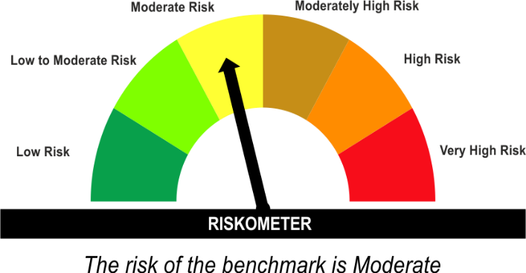
•Generation of reasonable returns over short to medium term.
•Investment in Debt securities and money market instruments.
•Risk – Moderate |  | •Risk – Moderate
“The Scheme and Benchmark riskometer disclosed above is latest available riskometer, for any updates please visit the AMC’s website (https://www.licmf.com/downloads/risk-o-meter-disclosure).

*Investors should consult their financial advisers if in doubt about whether the product is suitable for them.
Mutual Fund investments are subject to market risks, read all scheme related documents carefully.

 | Potential Risk Class
LDSTDF | Credit Risk | Relatively Low (Class A) | Moderate (Class B) | Relatively High (Class C)
 | Interest Rate Risk
 | Relatively Low (Class I)
 | Moderate (Class II) |  | B-II
 | Relatively High (Class III)

 | Portfolio Information
Scheme Name : | LIC MF SHORT DURATION FUND
Description (if any) | Short Duration Fund
Annualised Portfolio YTM* : | 7.32
Macaulay Duration | 2.78 Years
Residual Maturity | 3.14 Years
As on (Date) | 30 November 2024
* in case of semi annual YTM, it will be annualised
As the Regular and Direct plans have a common portfolio, the Portfolio yield given above is at the Scheme level

LDUSTF
LIC MF ULTRA SHORT DURATION FUND |  |  |  |  | Index

Monthly Portfolio Statement as on November 30,2024
Name of the Instrument | ISIN | Industry / Rating | Quantity | Market/Fair Value (Rounded, Rs. In Lacs) | Rounded, % to Net Assets | Yield

Money Market Instruments

Certificate of Deposit
Punjab National Bank ** # | INE160A16PT0 | CRISIL A1+ | 500.000 | 2,499.08 | 7.23% | 6.76%
Axis Bank Ltd. ** # | INE238AD6629 | CRISIL A1+ | 500.000 | 2,480.59 | 7.18% | 7.14%
Kotak Mahindra Bank Ltd. ** # | INE237A161X9 | CRISIL A1+ | 500.000 | 2,427.32 | 7.02% | 7.39%
Canara Bank ** # | INE476A16ZL6 | CRISIL A1+ | 500.000 | 2,412.58 | 6.98% | 7.43%
Small Industries Development Bk of India ** # | INE556F16AS2 | CRISIL A1+ | 500.000 | 2,405.89 | 6.96% | 7.48%
ICICI Bank Ltd. ** # | INE090AD6162 | CRISIL A1+ | 500.000 | 2,398.65 | 6.94% | 7.42%
AU Small Finance Bank Ltd. ** # | INE949L16CX3 | CRISIL A1+ | 300.000 | 1,406.02 | 4.07% | 8.03%
Sub Total |  |  |  | 16,030.13 | 46.37%

Commercial Paper
Export Import Bank of India ** | INE514E14SJ0 | CRISIL A1+ | 500.000 | 2,330.78 | 6.74% | 7.55%
HDFC Securities Ltd. ** | INE700G14LM9 | CRISIL A1+ | 300.000 | 1,499.72 | 4.34% | 6.75%
Time Technoplast Ltd. ** | INE508G14FZ0 | CRISIL A1+ | 200.000 | 996.15 | 2.88% | 8.29%
Motilal Oswal Financial Services Ltd. ** | INE338I14IU3 | CRISIL A1+ | 200.000 | 982.78 | 2.84% | 7.80%
Time Technoplast Ltd. ** | INE508G14GV7 | ICRA A1+ | 200.000 | 969.96 | 2.81% | 8.76%
Sub Total |  |  |  | 6,779.39 | 19.61%

Treasury Bill
182 DAYS TBILL RED 15-05-2025 | IN002024Y316 | SOVEREIGN | 500,000.000 | 485.51 | 1.40% | 6.60%
182 DAYS TBILL RED 23-05-2025 | IN002024Y324 | SOVEREIGN | 500,000.000 | 484.83 | 1.40% | 6.60%
Sub Total |  |  |  | 970.34 | 2.81%

TOTAL |  |  |  | 23,779.86 | 68.79%

Others
Investment in Mutual fund
SBI CDMDF--A2 | INF0RQ622028 |  | 700.894 | 73.36 | 0.21%

TOTAL |  |  |  | 73.36 | 0.21%

Treps / Reverse Repo
Treps |  |  |  | 10,493.77 | 30.36%
Sub Total |  |  |  | 10,493.77 | 30.36%

TOTAL |  |  |  | 10,493.77 | 30.36%
Net Receivables / (Payables) |  |  |  | 222.41 | 0.64%
GRAND TOTAL |  |  |  | 34,569.40 | 100.00%

# Unlisted Security
** Non Traded Security

The product is suitable for investors who are seeking* | Riskometer - Scheme | Primary Benchmark | Riskometer - Primary Benchmark
LIC MF ULTRA SHORT DURATION FUND |  | CRISIL Ultra Short Duration Debt A-I Index | 
•Income over short term.
•Investment in Debt & Money Market Instruments such that the Macaulay Duration of the portfolio is between 3 months- 6 months.
•Risk – Low to Moderate |  | •Risk – Low to Moderate
“The Scheme and Benchmark riskometer disclosed above is latest available riskometer, for any updates please visit the AMC’s website (https://www.licmf.com/downloads/risk-o-meter-disclosure).

*Investors should consult their financial advisers if in doubt about whether the product is suitable for them.
Mutual Fund investments are subject to market risks, read all scheme related documents carefully.

 | Potential Risk Class
LDUSTF | Credit Risk | Relatively Low (Class A) | Moderate (Class B) | Relatively High (Class C)
 | Interest Rate Risk
 | Relatively Low (Class I) |  | B-I
 | Moderate (Class II)
 | Relatively High (Class III)

 | Portfolio Information
Scheme Name : | LIC MF ULTRA SHORT DURATION FUND
Description (if any) | Ultra Short Duration Fund
Annualised Portfolio YTM* : | 7.15
Macaulay Duration | 0.28 Years
Residual Maturity | 0.28 Years
As on (Date) | 30 November 2024
* in case of semi annual YTM, it will be annualised
As the Regular and Direct plans have a common portfolio, the Portfolio yield given above is at the Scheme level

